MAIN PAGE
ASSUMPTIONS & INPUTS |  | UNITS | conversions |  | CALCULATIONS |  | UNITS |  |  |  |  | KEY
density of air (at 20 C 1 atm) | 1.2041 | kg/m^3 |  |  | Aspect Ratio: | 5.3333333333 | NA | check: | 5.3333333333 |  |  | variable for all designs
density of foam (EVA) | 85 | kg/m^3 |  |  | Cross section @ AOA 0: | 0.000016 | m^2 |  |  |  |  | important results
density of print (PLA) | 1240 | kg/m^3 | 1.24 | g/cm^3 | **Cross section @ AOA 11: | 0.01528071963 |  |  |  |  |  | design type
velocity (v) | 5 | m/s |  |  | Cross section variable AOA | 0.016891854213 |  |  |  |  |  | inputs
coefficient drag flat plate (Cd) | 0.005 | NA |  |  | Top down area: | 0.0012 | m^2
coefficient drag airfoil (Cd) | 0.045 | NA |  |  | Volume: | 0.00000024 | m^3
coefficient lift plate (Cl) | 0.7 | NA |  |  | Cross section fin: | 0.000004 | m^3
coefficient lift airfoil (Cl) | 2 | NA
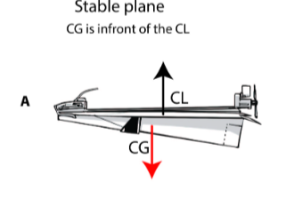
flapping:
frequency (f) | 10 | Hz
amplitude (A) | 0.04 | m

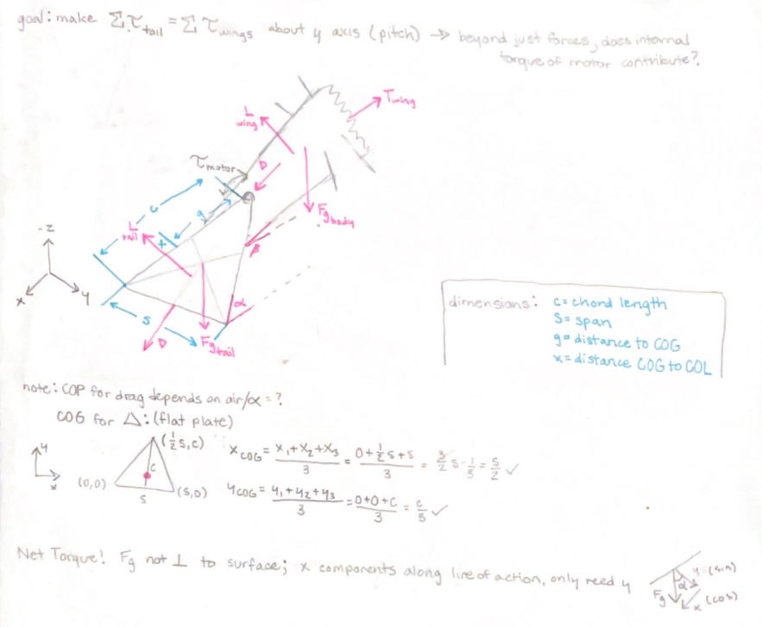
dimensions: |  |  |  |  | TAIL FORCES
span (s) | 0.08 | m | 3.1496 | in | Stationary tail (flat plate)
chord length (c) | 0.03 | m | 1.1811 | in | Total Drag: | 0.0012712176036 | N
thickness (t) | 0.0002 | m | 0.007874 | in | negative -z (down) | 0.00022074462029 | N |  |  |  |  |  |  | MOMENTS
additional fuselage??? | 0.05 | m | 1.9685 | in
body fuselage(l) | 0.12 | m | 4.7244 | in | negative x (back) | 0.0012519049518 | N
dist tail to COL | 0.06 | m
dihedral angle | 10 | deg
fin height | 0.02 | m |  |  | Total Lift: | 0.01264305 | N
fin length | 0.015 | m |  |  | positive -z (up) | 0.012450973662 | N
center gravity (g) | 0.0225 | m |  |  | negative x (back) | 0.0021954425927 | N
dist COL from COG (x) | 0.004 | m

angle of attack: | 0 | deg |  | * includes 1g motor, plate, fin | Total Weight: | 0.00046295 | kg | 0.46295 | g
AOA tail (alpha) | 11 | deg |  |  | Force gravity | 0.0045415395 | N
variable | 10 | deg |  |  |  |  |  |  |  |  |  |  |  | Time tail needs to move theta for forces to counter: |  |  |  |  | New Simplifications
AOA body (beta) |  |  |  |  | Net Force in x | -0.0034473475445 | N |  |  |  |  |  |  | Force wing (Fwing) | 0.053822242667 | N |  |  | X2 is estimated as 1/4 of the entire body length
 |  |  |  |  | Net Force in -z | 0.0076886895414 | N |  |  |  |  |  |  | dist Fwing to COM (X2) | 0.03 | m | 1.1811 | in | X1 estimated as 1/3 body plus distance to COG
components: |  |  |  |  |  |  |  |  |  |  |  |  |  | dist Ftail to COM (X1) | 0.1125 | m | 4.429125 | in | time is est by using nonlinear motion eqn and delta theta=2x the angle of attack (with max torque so abt 10 deg)
motor | 0.44 | g | 0.00044 | kg | TORQUES (about base of tail) |  |  | Torque abt center of body |  |  |  |  |  | Ftail theoretical (needed) | 0.014352598045 | N
SIMPLIFICATIONS |  |  |  |  | Lift (clockwise) | 0.000107465925 | Nm | Lift | 0.000903978075 | Nm | cw (-) |  |  | mass tail | 0.00046295 | kg
**added cross section at 0 to other AOA to prevent treating infinitely flat |  |  |  |  | Gravity (counterclockwise) | 0.00010063222448 | Nm | Gravity | 0.00030592810971 | Nm | ccw |  | ** | acc tail | 31.002479846 | m/s^2
drag acts at the center of plate at end of tail (bc max torque) |  |  |  |  | Drag | 0 | Nm | Drag | 0.0002339862716 | Nm | ccw |  |  | angular acc @ tip of tail | 1033.4159949 | rad/s^2
lift&gravity act at 1/4 chord (!!Offset to eventually adjust) |  |  |  |  |  |  |  |  | 6.5549290482E-06 |  | cw(-) |  |  | deg -> rad for AOA max | 0.1745329252 | rad
for now approx for fuselage length is 4-6x chord of wing |  |  |  |  | Net Torque | -6.834E-06 | Nm | Net | -0.00037061862274 |  | (want this to be positive for ccw) |  |  | time for 1 flap | 0.0045018572238 | s
Cl/Cd airfoil basic for flat bottom (S7055) |  |  |  |  | Wing Flap need to resist | 0.026911121334 | Nm |  |  |  |  |  |  |  | hm maybe see if we could make solonoid powerful enough I can't find mini actuator specs
Coeff plate estimated based on Fig 4.36

 |  |  |  |  |  |  |  | DESIGN CONSIDERATIONS

Tailfin | **yaw stability |  | Whole Flat Tail Movement |  |  |  | Elevator |  | Dihedral | **lateral stability |  |  | Airfoil Frame
 |  |  |  |  |  |  | NA too heavy
Drag: | 3.01025E-07 | N | max | net x force (@11 deg) | -0.010045384871 | N | (barely enough lift now) |  | Lift: | 0.012450973662 | N |  | Drag: | 0.011440958433 | N
negative -z (down) | -1.6376395491E-07 | N |  | net -z force (@11 deg) | 0.0063855 | N |  |  | positive -z (up) | 0.012261815395 | N |  | Lift: | 0.036123 | N
negative x (back) | -2.5258150704E-07 | N |  |  |  |  |  |  | negative x (back) | 0.0021620888865 | N
 |  |  | min | net x force (@0 deg) | -3.6123E-06 | N |  |  |  |  |  |  | Volume: | 0.00000001 | m^3 | **idk what I was doing here.
Volume: | 0.00000003 | m^3 |  | net -z force (@0 deg) | -0.0045451518 | N |  |  |  |  |  |  | Weight: | 0.0000124 | kg
Weight: | 0.00000255 | kg |  |  |  |  |  |  | max | net x force (@11 deg) | -0.010008734977 | N | Fg | 0.0045415395 | N
Fg | 2.50155E-05 | N | **note changes w values so this is approx (max btwn 10-12) |  |  |  |  |  |  | net -z force (@11 deg) | 0.0061970 | N
 |  |  | realistically more like 7, too much AOA=x component lift creating drag |  |  |  |  |  |  |  |  |  | max | net x force (@11 deg) | -0.0086526644735 | N
Net added forces |  |  |  |  |  |  |  |  | min | net x force (@0 deg) | -3.6123E-06 | N |  | net -z force (@10 deg) | 0.017820683188 | N
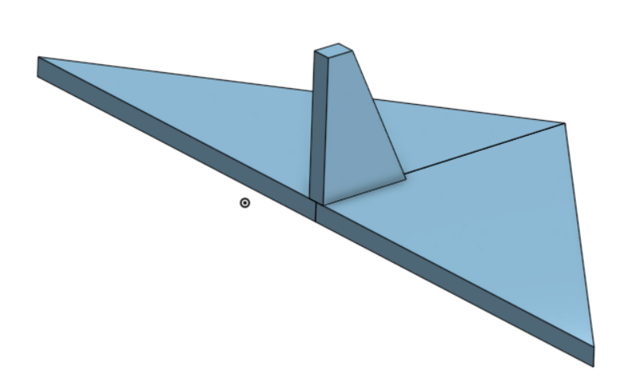
negative z (down) | -2.5179263955E-05 | N |  |  |  |  |  |  |  | net -z force (@0 deg) | -0.0045415395 | N
negative x (back) | -2.5258150704E-07 | N |  |  |  |  |  |  |  |  |  |  | min | net x force (@0 deg) | -2.4082E-06 | N
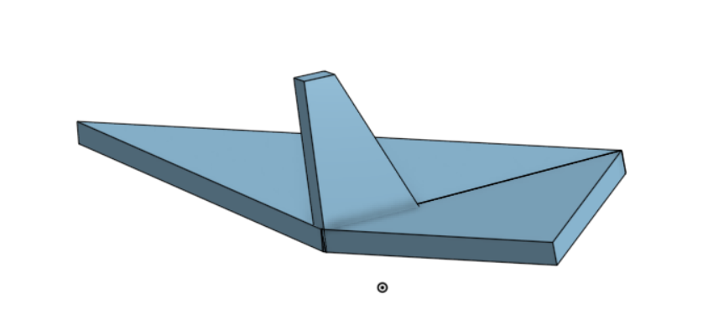
 |  |  |  |  |  |  |  |  |  |  |  |  |  | net -z force (@0 deg) | -0.0045415395 | N

 |  |  | cons: | lasercut from foam means harsh leading edge |  |  |  |  | dihedral ang can range btwn 2-10, higher means more stability, less rollability
 |  |  |  | minimal stability, especially during roll will slip |  |  |  |  | cons: | bit less lift directed upward

 |  |  | pros: | maximum lift for lasercut |  |  |  |  | pros: | passive restoring force to prevent roll
 |  |  |  |  |  |  |  |  |  | components of lift that aren't vertical balance

 |  |  | for 3d visuals of what designs evaluated: |  | https://cad.onshape.com/documents/2a11f90e2867a607c61cf4cd/w/a55fb2b5cc785497ad048c21/e/26296ba7726a97b7d51dee0d?renderMode=0&uiState=66b5a50bd5f9631601493c8f

Variable AOA Flat plate
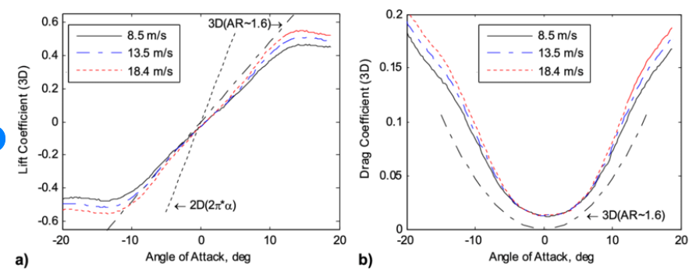
AOA (deg) | Cross section | Cd | Drag | Dz (down) | Dx (back) | Cl | Lift | Lz (up) | Lx (back) | Weight (down) | NET X (back) | NET Z (up) | Base of Tail Torques: | Lift | Gravity | Net | Fuselage Torques: | Lift | Gravity | Net

0 | 0.000016 | 0.015 | 3.6123E-06 | 3.6123E-06 | 3.6123E-06 | 0 | 0 | 0 | 0 | 0.0045415395 | -3.6123E-06 | -0.0045451518 |  | 0 | 8.127675E-08 | 8.127675E-08 |  | 0 | 5.1475275E-07 | 5.1475275E-07
1 | 0.00053957219312 | 0.016 | 0.00012993977555 | 2.2677617752E-06 | 0.00012991998509 | 0.1 | 0.00180615 | 0.0018058749146 | 3.1521663887E-05 | 0.0045415395 | -0.00016144164898 | -0.0027379323472 |  | 4.7862975E-05 | 5.1024639942E-08 | -4.781195036E-05 |  | 0.000176099625 | 3.2315605297E-07 | -0.00017577646895
2 | 0.0010629849011 | 0.017 | 0.00027198727537 | 9.4922190199E-06 | 0.00027182158807 | 0.2 | 0.0036123 | 0.0036100994844 | 0.00012606745194 | 0.0045415395 | -0.00039788904001 | -0.00094093223458 |  | 9.572595E-05 | 2.1357492795E-07 | -9.5512375072E-05 |  | 0.00035219925 | 1.3526412103E-06 | -0.00035084660879
3 | 0.0015860786873 | 0.019 | 0.00045357687 | 2.3738379221E-05 | 0.00045295525866 | 0.3 | 0.00541845 | 0.0054110242026 | 0.0002835797621 | 0.0045415395 | -0.00073653502077 | 0.00084574632337 |  | 0.000143588925 | 5.3411353247E-07 | -0.00014305481147 |  | 0.000528298875 | 3.382719039E-06 | -0.00052491615596
4 | 0.0021086942123 | 0.022 | 0.00069824664279 | 4.8707223605E-05 | 0.00069654574906 | 0.4 | 0.0072246 | 0.0072070012375 | 0.00050396262021 | 0.0045415395 | -0.0012005083693 | 0.0026167545139 |  | 0.0001914519 | 1.0959125311E-06 | -0.00019035598747 |  | 0.0007043985 | 6.9407793637E-06 | -0.00069745772064
5 | 0.0026306722824 | 0.03 | 0.0011878471857 | 0.00010352770374 | 0.0011833270686 | 0.5 | 0.00903075 | 0.0089963852698 | 0.00078708172382 | 0.0045415395 | -0.0019704087924 | 0.004351318066 |  | 0.000239314875 | 2.3293733342E-06 | -0.00023698550167 |  | 0.000880498125 | 1.4752697783E-05 | -0.00086574542722
6 | 0.003151853898 | 0.04 | 0.0018975736393 | 0.00019835045645 | 0.0018871785324 | 0.54 | 0.00975321 | 0.0096997808951 | 0.0010194880532 | 0.0045415395 | -0.0029066665856 | 0.0049598909387 |  | 0.000258460065 | 4.4628852702E-06 | -0.00025399717973 |  | 0.000950937975 | 2.8264940045E-05 | -0.00092267303496
7 | 0.0036720803022 | 0.05 | 0.0027634699324 | 0.00033678226618 | 0.0027428714466 | 0.58 | 0.01047567 | 0.010397585944 | 0.0012766630246 | 0.0045415395 | -0.0040195344712 | 0.0055192641782 |  | 0.000277605255 | 7.5776009891E-06 | -0.00027002765401 |  | 0.001021377825 | 4.7991472931E-05 | -0.00097338635207
8 | 0.0041911930288 | 0.06 | 0.0037849616445 | 0.00052676484908 | 0.0037481266579 | 0.62 | 0.01119813 | 0.011089150569 | 0.0015584784771 | 0.0045415395 | -0.005306605135 | 0.0060208462195 |  | 0.000296750445 | 1.1852209104E-05 | -0.0002848982359 |  | 0.001091817675 | 7.5063990994E-05 | -0.001016753684
9 | 0.0047090339512 | 0.07 | 0.0049613793081 | 0.00077613071792 | 0.0049002964958 | 0.66 | 0.01192059 | 0.011773827756 | 0.0018647911196 | 0.0045415395 | -0.0067650876155 | 0.0064561575381 |  | 0.000315895635 | 1.7462941153E-05 | -0.00029843269385 |  | 0.001162257525 | 0.0001105986273 | -0.0010516588977
10 | 0.00522544533 | 0.08 | 0.0062919587219 | 0.001092587166 | 0.0061963697309 | 0.68 | 0.01228182 | 0.012095231557 | 0.0021327156614 | 0.0045415395 | -0.0083290853924 | 0.0064611048911 |  | 0.00032546823 | 2.4583211235E-05 | -0.00030088501876 |  | 0.00119747745 | 0.00015569367116 | -0.0010417837788
11 | 0.0057402698613 | 0.09 | 0.0077758413075 | 0.0014837004681 | 0.0076329772016 | 0.7 | 0.01264305 | 0.012410761562 | 0.002412407669 | 0.0045415395 | -0.010045384871 | 0.0063855215936 |  | 0.000335040825 | 3.3383260532E-05 | -0.00030165756447 |  | 0.001232697375 | 0.0002114273167 | -0.0010212700583
12 | 0.0062533507245 | 0.1 | 0.0094120745093 | 0.0019568803253 | 0.0092063980992 | 0.68 | 0.01228182 | 0.012013432766 | 0.0025535339625 | 0.0045415395 | -0.011759932062 | 0.0055150129403 |  | 0.00032546823 | 4.402980732E-05 | -0.00028143842268 |  | 0.00119747745 | 0.00027885544636 | -0.00091862200364
Net Forces (flat plate)

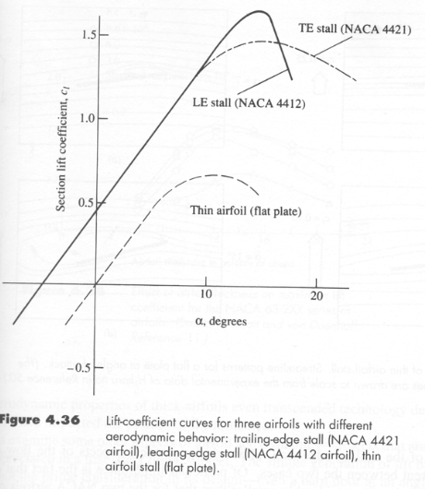

Lift vs Drag (flat plate)

Wing Flap (rigid body)
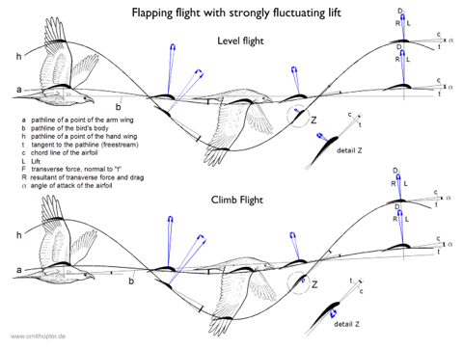
Flapping Data | position (y) | velocity (v) | acceleration (a) | acc (α) | torque (τ) | TOTAL (for 2 wings) | Wing Calculations |  | **note flapping inputs are on first page
sec | m | m/s | m/s^2 | rad/s^2 | Nm |  | **estimate as rectangle
0 | 0.04 | 0 | -157.91367042 | -1579.1367042 | -0.013455560667 | -0.026911121334
0.01 | 0.032360679775 | -1.4772654644 | -127.75484301 | -1277.5484301 | -0.010885777248 | -0.021771554497 | chord | 0.03 | m | 1.1811 | in
0.015 | 0.023511410092 | -2.0332814769 | -92.819326607 | -928.19326607 | -0.0079089801213 | -0.015817960243 | span | 0.1 | m | 3.937 | in
0.02 | 0.012360679775 | -2.3902657318 | -48.798007803 | -487.98007803 | -0.0041579969149 | -0.0083159938298 | area wing | 0.003 | m
0.025 | 2.4502969098E-18 | -2.5132741229 | -9.673384466E-15 | -9.673384466E-14 | -8.2425296804E-19 | -1.6485059361E-18 | thickness | 0.001 | m
0.03 | -0.012360679775 | -2.3902657318 | 48.798007803 | 487.98007803 | 0.0041579969149 | 0.0083159938298 | volume | 0.000003 | m^2
0.035 | -0.023511410092 | -2.0332814769 | 92.819326607 | 928.19326607 | 0.0079089801213 | 0.015817960243 | density material
0.04 | -0.032360679775 | -1.4772654644 | 127.75484301 | 1277.5484301 | 0.010885777248 | 0.021771554497 | mass | 0.0025 | kg | 2.5 | g
0.045 | -0.038042260652 | -0.77664441549 | 150.18482526 | 1501.8482526 | 0.012796998653 | 0.025593997305
0.05 | -0.04 | -1.4240313102E-15 | 157.91367042 | 1579.1367042 | 0.013455560667 | 0.026911121334 | Inertia center | 2.2708333333E-06
0.055 | -0.038042260652 | 0.77664441549 | 150.18482526 | 1501.8482526 | 0.012796998653 | 0.025593997305 | Inertia edge | 8.5208333333E-06 | kg.m^2 | check?? | 8.3333333333E-06
0.06 | -0.032360679775 | 1.4772654644 | 127.75484301 | 1277.5484301 | 0.010885777248 | 0.021771554497
Kinematics
 | position (y) | velocity (v) | acceleration (a)
0 | 0.04 | 0 | -157.91367042
0.01 | 0.032360679775 | -1.4772654644 | -127.75484301
0.015 | 0.023511410092 | -2.0332814769 | -92.819326607
0.02 | 0.012360679775 | -2.3902657318 | -48.798007803
0.025 | 2.4502969098E-18 | -2.5132741229 | -9.673384466E-15
0.03 | -0.012360679775 | -2.3902657318 | 48.798007803
0.035 | -0.023511410092 | -2.0332814769 | 92.819326607
0.04 | -0.032360679775 | -1.4772654644 | 127.75484301
0.045 | -0.038042260652 | -0.77664441549 | 150.18482526
0.05 | -0.04 | -1.4240313102E-15 | 157.91367042
0.055 | -0.038042260652 | 0.77664441549 | 150.18482526
0.06 | -0.032360679775 | 1.4772654644 | 127.75484301
0.065 | -0.023511410092 | 2.0332814769 | 92.819326607
0.07 | -0.012360679775 | 2.3902657318 | 48.798007803
0.075 | -7.3508907295E-18 | 2.5132741229 | 2.9020153398E-14
0.08 | 0.012360679775 | 2.3902657318 | -48.798007803
0.085 | 0.023511410092 | 2.0332814769 | -92.819326607
0.09 | 0.032360679775 | 1.4772654644 | -127.75484301
0.095 | 0.038042260652 | 0.77664441549 | -150.18482526
0.1 | 0.04 | -1.616409057E-15 | -157.91367042
**for 10 hz shows one period of motion estimated using cos wave
0.065 | -0.023511410092 | 2.0332814769 | 92.819326607 | 928.19326607 | 0.0079089801213 | 0.015817960243
0.07 | -0.012360679775 | 2.3902657318 | 48.798007803 | 487.98007803 | 0.0041579969149 | 0.0083159938298
0.075 | -7.3508907295E-18 | 2.5132741229 | 2.9020153398E-14 | 2.9020153398E-13 | 2.4727589041E-18 | 4.9455178083E-18
0.08 | 0.012360679775 | 2.3902657318 | -48.798007803 | -487.98007803 | -0.0041579969149 | -0.0083159938298
0.085 | 0.023511410092 | 2.0332814769 | -92.819326607 | -928.19326607 | -0.0079089801213 | -0.015817960243
0.09 | 0.032360679775 | 1.4772654644 | -127.75484301 | -1277.5484301 | -0.010885777248 | -0.021771554497
0.095 | 0.038042260652 | 0.77664441549 | -150.18482526 | -1501.8482526 | -0.012796998653 | -0.025593997305
0.1 | 0.04 | -1.616409057E-15 | -157.91367042 | -1579.1367042 | -0.013455560667 | -0.026911121334
**for 10 hz shows one period of motion estimated using cos wave

Wing Flap (particle)
Flapping Data | position (y) | velocity (v) | acceleration (a) | torque (τ) | TOTAL | Wing Calculations |  | **note flapping inputs are on first page
sec | m | m/s | m/s^2 | Nm |  | **estimate as rectangle
0 | 0.04 | 0 | -157.91367042 | -0.39478417604 | -0.78956835209
0.01 | 0.032360679775 | -1.4772654644 | -127.75484301 | -0.31938710753 | -0.63877421506 | chord | 0.03 | m | 1.1811 | in
0.015 | 0.023511410092 | -2.0332814769 | -92.819326607 | -0.23204831652 | -0.46409663303 | span | 0.1 | m | 3.937 | in
0.02 | 0.012360679775 | -2.3902657318 | -48.798007803 | -0.12199501951 | -0.24399003902 | area wing | 0.003 | m
0.025 | 2.4502969098E-18 | -2.5132741229 | -9.673384466E-15 | -2.4183461165E-17 | -4.836692233E-17 | thickness | 0.001 | m
0.03 | -0.012360679775 | -2.3902657318 | 48.798007803 | 0.12199501951 | 0.24399003902 | volume | 0.000003 | m^2
0.035 | -0.023511410092 | -2.0332814769 | 92.819326607 | 0.23204831652 | 0.46409663303 | density material
0.04 | -0.032360679775 | -1.4772654644 | 127.75484301 | 0.31938710753 | 0.63877421506 | mass | 0.0025 | kg | 2.5 | g
0.045 | -0.038042260652 | -0.77664441549 | 150.18482526 | 0.37546206316 | 0.75092412631
0.05 | -0.04 | -1.4240313102E-15 | 157.91367042 | 0.39478417604 | 0.78956835209 | Inertia center | 2.2708333333E-06
0.055 | -0.038042260652 | 0.77664441549 | 150.18482526 | 0.37546206316 | 0.75092412631 | Inertia edge | 8.5208333333E-06 | kg.m^2 | check?? | 8.3333333333E-06
0.06 | -0.032360679775 | 1.4772654644 | 127.75484301 | 0.31938710753 | 0.63877421506
Kinematics
 | position (y) | velocity (v) | acceleration (a)
0 | 0.04 | 0 | -157.91367042
0.01 | 0.032360679775 | -1.4772654644 | -127.75484301
0.015 | 0.023511410092 | -2.0332814769 | -92.819326607
0.02 | 0.012360679775 | -2.3902657318 | -48.798007803
0.025 | 2.4502969098E-18 | -2.5132741229 | -9.673384466E-15
0.03 | -0.012360679775 | -2.3902657318 | 48.798007803
0.035 | -0.023511410092 | -2.0332814769 | 92.819326607
0.04 | -0.032360679775 | -1.4772654644 | 127.75484301
0.045 | -0.038042260652 | -0.77664441549 | 150.18482526
0.05 | -0.04 | -1.4240313102E-15 | 157.91367042
0.055 | -0.038042260652 | 0.77664441549 | 150.18482526
0.06 | -0.032360679775 | 1.4772654644 | 127.75484301
0.065 | -0.023511410092 | 2.0332814769 | 92.819326607
0.07 | -0.012360679775 | 2.3902657318 | 48.798007803
0.075 | -7.3508907295E-18 | 2.5132741229 | 2.9020153398E-14
0.08 | 0.012360679775 | 2.3902657318 | -48.798007803
0.085 | 0.023511410092 | 2.0332814769 | -92.819326607
0.09 | 0.032360679775 | 1.4772654644 | -127.75484301
0.095 | 0.038042260652 | 0.77664441549 | -150.18482526
0.1 | 0.04 | -1.616409057E-15 | -157.91367042
**for 10 hz shows one period of motion estimated using cos wave
0.065 | -0.023511410092 | 2.0332814769 | 92.819326607 | 0.23204831652 | 0.46409663303
0.07 | -0.012360679775 | 2.3902657318 | 48.798007803 | 0.12199501951 | 0.24399003902
0.075 | -7.3508907295E-18 | 2.5132741229 | 2.9020153398E-14 | 7.2550383495E-17 | 1.4510076699E-16
0.08 | 0.012360679775 | 2.3902657318 | -48.798007803 | -0.12199501951 | -0.24399003902
0.085 | 0.023511410092 | 2.0332814769 | -92.819326607 | -0.23204831652 | -0.46409663303
0.09 | 0.032360679775 | 1.4772654644 | -127.75484301 | -0.31938710753 | -0.63877421506
0.095 | 0.038042260652 | 0.77664441549 | -150.18482526 | -0.37546206316 | -0.75092412631
0.1 | 0.04 | -1.616409057E-15 | -157.91367042 | -0.39478417604 | -0.78956835209
**for 10 hz shows one period of motion estimated using cos wave

Variable AOA Dihedral
AOA (deg) | Cross section | Cd | Drag | Dz (down) | Dx (back) | Cl | Lift | Lz (up) | Lx (back) | Weight (down) | NET X (back) | NET Z (up) | Lift Torque | Gravity Torque | Net Torque

0 | 0.000016 | 0.015 | 3.6123E-06 | 0 | 3.6123E-06 | 0 | 0 | 0 | 0 | 0.0045415395 | -3.6123E-06 | -0.0045415395
1 | 0.00053957219312 | 0.016 | 0.00012993977555 | 2.2677617752E-06 | 0.00012991998509 | 0.1 | 0.0017787105231 | 0.0017784396169 | 3.1042778983E-05 | 0.0045415395 | -0.00016096276407 | -0.0027653676449
2 | 0.0010629849011 | 0.017 | 0.00027198727537 | 9.4922190199E-06 | 0.00027182158807 | 0.2 | 0.0035574210462 | 0.0035552539614 | 0.00012415220407 | 0.0045415395 | -0.00039597379214 | -0.0009957777576
3 | 0.0015860786873 | 0.019 | 0.00045357687 | 2.3738379221E-05 | 0.00045295525866 | 0.3 | 0.0053361315693 | 0.0053288185864 | 0.00027927154832 | 0.0045415395 | -0.00073222680698 | 0.00076354070723
4 | 0.0021086942123 | 0.022 | 0.00069824664279 | 4.8707223605E-05 | 0.00069654574906 | 0.4 | 0.0071148420924 | 0.0070975106947 | 0.00049630629561 | 0.0045415395 | -0.0011928520447 | 0.0025072639711
5 | 0.0026306722824 | 0.03 | 0.0011878471857 | 0.00010352770374 | 0.0011833270686 | 0.5 | 0.0088935526155 | 0.0088597099628 | 0.00077512418387 | 0.0045415395 | -0.0019584512524 | 0.004214642759
6 | 0.003151853898 | 0.04 | 0.0018975736393 | 0.00019835045645 | 0.0018871785324 | 0.54 | 0.0096050368248 | 0.009552419428 | 0.0010039997389 | 0.0045415395 | -0.0028911782713 | 0.0048125294716
7 | 0.0036720803022 | 0.05 | 0.0027634699324 | 0.00033678226618 | 0.0027428714466 | 0.58 | 0.010316521034 | 0.010239623251 | 0.0012572676446 | 0.0045415395 | -0.0040001390912 | 0.0053613014844
8 | 0.0041911930288 | 0.06 | 0.0037849616445 | 0.00052676484908 | 0.0037481266579 | 0.62 | 0.011028005243 | 0.010920681454 | 0.0015348016871 | 0.0045415395 | -0.0052829283451 | 0.0058523771052
9 | 0.0047090339512 | 0.07 | 0.0049613793081 | 0.00077613071792 | 0.0049002964958 | 0.66 | 0.011739489452 | 0.011594956857 | 0.0018364607523 | 0.0045415395 | -0.0067367572482 | 0.0062772866388
10 | 0.00522544533 | 0.08 | 0.0062919587219 | 0.001092587166 | 0.0061963697309 | 0.68 | 0.012095231557 | 0.011911477812 | 0.0021003149184 | 0.0045415395 | -0.0082966846493 | 0.0062773511459
11 | 0.0057402698613 | 0.09 | 0.0077758413075 | 0.0014837004681 | 0.0076329772016 | 0.7 | 0.012450973662 | 0.012222214207 | 0.0023757577759 | 0.0045415395 | -0.010008734977 | 0.0061969742386
12 | 0.0062533507245 | 0.1 | 0.0094120745093 | 0.0019568803253 | 0.0092063980992 | 0.68 | 0.012095231557 | 0.011830921728 | 0.0025147400439 | 0.0045415395 | -0.011721138143 | 0.0053325019026
Net Forces (dihedral)
Lift vs Drag (dihedral)

Variable AOA Airfoil Frame
AOA (deg) | Cross section | Cd | Drag | Dz (down) | Dx (back) | Cl | Lift | Lz (up) | Lx (back) | Weight (down) | NET X (back) | NET Z (up) | Lift Torque | Gravity Torque | Net Torque

0 | 0.000016 | 0.01 | 2.4082E-06 | 0 | 2.4082E-06 | 0 | 0 | 0 | 0 | 0.0045415395 | -2.4082E-06 | -0.0045415395
1 | 0.00053957219312 | 0.012 | 9.745483166E-05 | 1.7008213314E-06 | 9.7439988817E-05 | 0.15 | 0.0026680657847 | 0.0026676594253 | 4.6564168475E-05 | 0.0045415395 | -0.00014400415729 | -0.001875580896
2 | 0.0010629849011 | 0.014 | 0.00022398952089 | 7.8171215458E-06 | 0.00022385307253 | 0.3 | 0.0053361315693 | 0.0053328809421 | 0.00018622830611 | 0.0045415395 | -0.00041008137864 | 0.00078352432059
3 | 0.0015860786873 | 0.016 | 0.00038195946947 | 1.9990214081E-05 | 0.00038143600729 | 0.45 | 0.008004197354 | 0.0079932278797 | 0.00041890732248 | 0.0045415395 | -0.00080034332977 | 0.0034316981656
4 | 0.0021086942123 | 0.018 | 0.00057129270774 | 3.9851364768E-05 | 0.00056990106742 | 0.6 | 0.010672263139 | 0.010646266042 | 0.00074445944342 | 0.0045415395 | -0.0013143605108 | 0.0060648751772
5 | 0.0026306722824 | 0.02 | 0.00079189812382 | 6.9018469162E-05 | 0.00078888471238 | 0.8 | 0.014229684185 | 0.01417553594 | 0.0012401986942 | 0.0045415395 | -0.0020290834066 | 0.0095649779713
6 | 0.003151853898 | 0.022 | 0.0010436655016 | 0.00010909275105 | 0.0010379481928 | 0.9 | 0.016008394708 | 0.015920699047 | 0.0016733328982 | 0.0045415395 | -0.002711281091 | 0.011270066796
7 | 0.0036720803022 | 0.024 | 0.0013264655675 | 0.00016165548777 | 0.0013165782944 | 1 | 0.017787105231 | 0.017654522846 | 0.0021677028356 | 0.0045415395 | -0.0034842811299 | 0.012951327858
8 | 0.0041911930288 | 0.026 | 0.0016401500459 | 0.00022826476793 | 0.0016241882184 | 1.1 | 0.019565815754 | 0.01937540258 | 0.0027230352513 | 0.0045415395 | -0.0043472234698 | 0.014605598312
9 | 0.0047090339512 | 0.028 | 0.0019845517232 | 0.00031045228717 | 0.0019601185983 | 1.2 | 0.021344526277 | 0.02108173974 | 0.0033390195497 | 0.0045415395 | -0.0052991381481 | 0.016229747952
10 | 0.00522544533 | 0.03 | 0.0023594845207 | 0.00040972018725 | 0.0023236386491 | 1.3 | 0.0231232368 | 0.022771942876 | 0.0040153079321 | 0.0045415395 | -0.0063389465812 | 0.017820683188
11 | 0.0057402698613 | 0.05 | 0.0043199118375 | 0.00082427803783 | 0.0042405428898 | 1.3 | 0.0231232368 | 0.022698397813 | 0.0044121215837 | 0.0045415395 | -0.0086526644735 | 0.017332580275
Lift vs Drag (airfoil)
12 | 0.0062533507245 | 0.06 | 0.0056472447056 | 0.0011741281952 | 0.0055238388595 | 1.3 | 0.0231232368 | 0.022617938597 | 0.0048075912603 | 0.0045415395 | -0.01033143012 | 0.016902270902
Net Forces (airfoil)

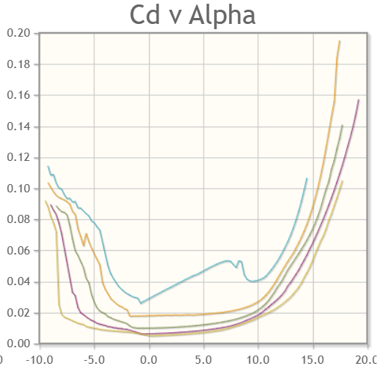
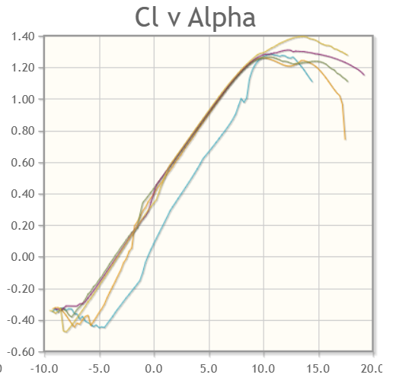
 |  |  |  |  |  |  |  |  | **These r from S7055

ignore
Flapping Data | position (θ) | velocity (ω) | acceleration (α) | torque (τ) | Wing Calculations
sec | rad | rad/s | rad/s^2 | Nm | **estimate as rectangle
0 | 0.04 | 0 | -157.91367042 | -0.0069745204434
 | position (θ) | velocity (ω) | acceleration (α)
0 | 0.04 | 0 | -157.91367042
0.01 | 0.032360679775 | -1.4772654644 | -127.75484301
0.015 | 0.023511410092 | -2.0332814769 | -92.819326607
0.02 | 0.012360679775 | -2.3902657318 | -48.798007803
0.025 | 2.4502969098E-18 | -2.5132741229 | -9.673384466E-15
0.03 | -0.012360679775 | -2.3902657318 | 48.798007803
0.035 | -0.023511410092 | -2.0332814769 | 92.819326607
0.04 | -0.032360679775 | -1.4772654644 | 127.75484301
0.045 | -0.038042260652 | -0.77664441549 | 150.18482526
0.05 | -0.04 | -1.4240313102E-15 | 157.91367042
0.055 | -0.038042260652 | 0.77664441549 | 150.18482526
0.06 | -0.032360679775 | 1.4772654644 | 127.75484301
0.065 | -0.023511410092 | 2.0332814769 | 92.819326607
0.07 | -0.012360679775 | 2.3902657318 | 48.798007803
0.075 | -7.3508907295E-18 | 2.5132741229 | 2.9020153398E-14
0.08 | 0.012360679775 | 2.3902657318 | -48.798007803
0.085 | 0.023511410092 | 2.0332814769 | -92.819326607
0.09 | 0.032360679775 | 1.4772654644 | -127.75484301
0.095 | 0.038042260652 | 0.77664441549 | -150.18482526
0.1 | 0.04 | -1.616409057E-15 | -157.91367042
**for 10 hz shows one period
0.01 | 0.032360679775 | -1.4772654644 | -127.75484301 | -0.0056425055664 | chord | 0.06 | m
0.015 | 0.023511410092 | -2.0332814769 | -92.819326607 | -0.0040995202585 | span | 0.16 | m
0.02 | 0.012360679775 | -2.3902657318 | -48.798007803 | -0.0021552453446 | area wing | 0.0096 | m
0.025 | 2.4502969098E-18 | -2.5132741229 | -9.673384466E-15 | -4.2724114725E-19 | thickness | 0.001 | m
0.03 | -0.012360679775 | -2.3902657318 | 48.798007803 | 0.0021552453446 | volume | 0.0000096 | m^2
0.035 | -0.023511410092 | -2.0332814769 | 92.819326607 | 0.0040995202585 | density material
0.04 | -0.032360679775 | -1.4772654644 | 127.75484301 | 0.0056425055664 | mass | 0.005 | kg
0.045 | -0.038042260652 | -0.77664441549 | 150.18482526 | 0.0066331631158
0.05 | -0.04 | -1.4240313102E-15 | 157.91367042 | 0.0069745204434 | Inertia center | 1.2166666667E-05
0.055 | -0.038042260652 | 0.77664441549 | 150.18482526 | 0.0066331631158 | Inertia edge | 4.4166666667E-05 | kg.m^2 | check?? | 4.2666666667E-05
0.06 | -0.032360679775 | 1.4772654644 | 127.75484301 | 0.0056425055664
0.065 | -0.023511410092 | 2.0332814769 | 92.819326607 | 0.0040995202585
0.07 | -0.012360679775 | 2.3902657318 | 48.798007803 | 0.0021552453446
0.075 | -7.3508907295E-18 | 2.5132741229 | 2.9020153398E-14 | 1.2817234418E-18
0.08 | 0.012360679775 | 2.3902657318 | -48.798007803 | -0.0021552453446
0.085 | 0.023511410092 | 2.0332814769 | -92.819326607 | -0.0040995202585
0.09 | 0.032360679775 | 1.4772654644 | -127.75484301 | -0.0056425055664
0.095 | 0.038042260652 | 0.77664441549 | -150.18482526 | -0.0066331631158
0.1 | 0.04 | -1.616409057E-15 | -157.91367042 | -0.0069745204434
**for 10 hz shows one period

